Sheet1
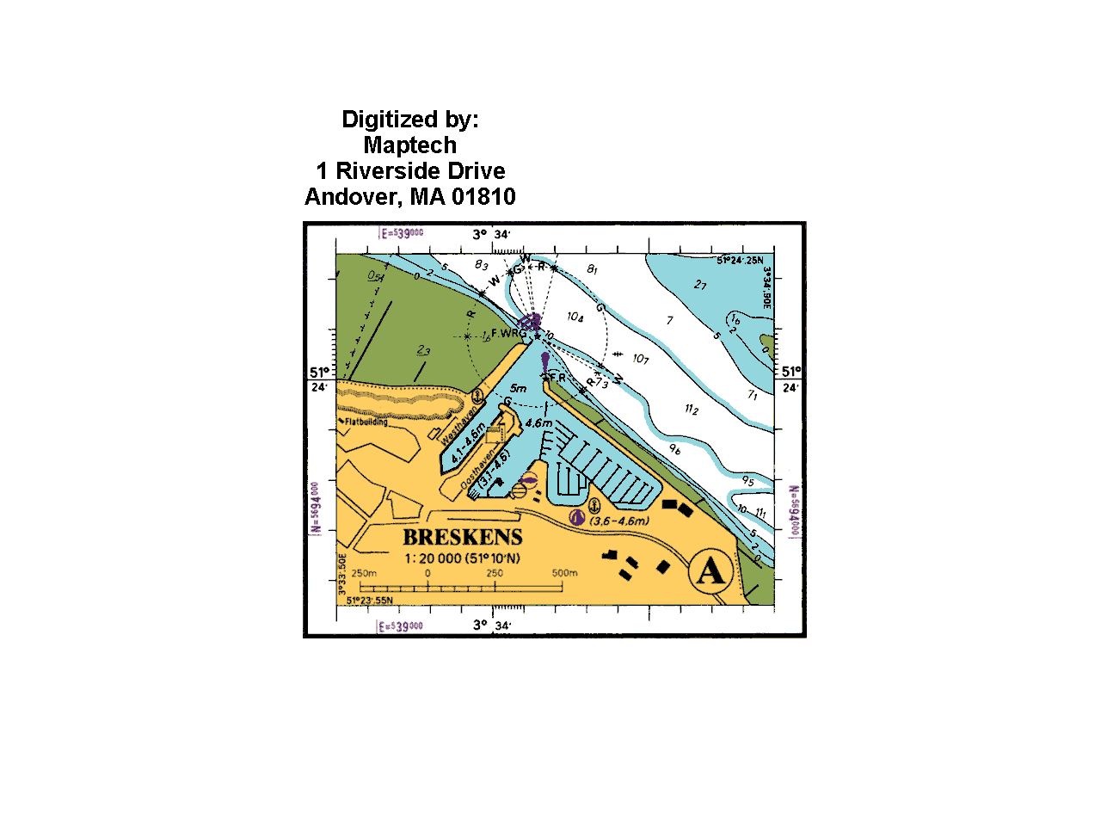
IMG SIZE
1280 960
300DPI
TOP RIGHT COORDS
ZONE: |  | B and NL |  |  |  |  |  | IMAGE SIZE
Map name |  | MA0120S1 |  |  |  |  |  | X | Y |  | DPI
Scale |  | 20000 |  |  |  |  |  | 1280 | 960 |  | 300 |  |  |  | TOP RIGHT CORNER
FILL IN BLUE ONLY
 |  |  | 15 |  |  |  | 30 |  |  | real seconds |  | 15 |  |  |  | 54
 | 51 | 24 | 25 |  | 3 | 33 | 50 |  |  | 51 | 24 | 25 | LAT | 3 | 34 | 90 | LON
 | 51.4041780 |  |  |  | 3.5583510 |  |  |  |  | 51.4041780 |  |  |  | 3.5816900
 | 391 | 295 |  |  |  |  |  |  |  | 900 | 295 | PX

mean | 51.3983465 | diff Y | 0.0116630 |  |  | diff X | 0.0233390
 |  |  | 33 |  |  |  | 30 |  |  |  |  | 33 |  |  |  | 54
 | 51 | 23 | 55 | LAT | 3 | 33 | 50 | LON |  | 51 | 23 | 55 |  | 3 | 34 | 90
 | 51.3925150 |  |  |  | 3.5583510 |  |  |  |  | 51.3925150 |  |  |  | 3.5816900
 | 391 | 704 | PX |  |  |  |  |  |  | 900 | 704
BOTTON LEFT COORDS
 | BOTTOM LEFT CORNER |  |  |  |  |  | kap file format |  | MA0120S1.kap

 |  |  |  |  |  |  | !MARI-caribbean 11/10/21
per min |  |  |  |  |  |  | VER/3.0
0.016667 |  |  |  |  |  |  | CRR/2021, MARI-caribbean
per sec | chart meters height (y) |  |  |  |  |  | BSB/NA=B and NL MA0120S1,NU=MA0120S1,RA=1280,960,DU=300
0.000278 | 1296.214157 | m | 1.3502230802 | y |  |  | KNP/SC=20000,GD=WGS84,PR=MERCATOR,PP=51.3983465
m/per deg | 2593.873121 | m | 2.0264633758 | x |  |  | PI=UNKNOWN,SP=UNKNOWN,SK=0.0,TA=0.0
SELECT GREEN ROW ONLY
111,139 |  |  |  |  |  |  | UN=METERS,SD=MEAN LOWER LOW WATER,DX=2.02646338,DY=1.35022308
 |  |  |  |  |  |  | KNQ/EC=RF,GD=NARC,VC=UNKNOWN,SC=MLLW,PC=MC,P1=UNKNOWN,P2=51.3983465
 |  |  |  |  |  |  | P3=NOT_APPLICABLE,P4=NOT_APPLICABLE,GC=MI,RM=POLYNOMIAL
 |  |  |  |  |  |  | OST/1
 |  |  |  |  |  |  | CED/SE=01,RE=01,ED=01/01/2000 |  |  |  | BSB file format |  |  |  | MA0120S1map.BSB
SCALE
 |  |  |  |  |  |  | NTM/NE=00.00,ND=01/01/2000,BF=on,BD=01/01/2000
 |  |  |  |  |  |  | IFM/3 |  |  |  | CRR/MARI-caribbean 11/10/21 21:50:04
 |  |  |  |  |  |  | CHT/NA=B and NL |  |  |  | VER/3.0
 |  |  |  |  |  |  | REF/1,391,295,51.404178,3.558351 |  |  |  | CHT/NA=MA0120S1map,NU=MA0120S1
 |  |  |  |  |  |  | REF/2,391,704,51.392515,3.558351 |  |  |  | CED/SE=01,RE=01,ED=11/10/21
 |  |  |  |  |  |  | REF/3,900,295,51.404178,3.58169 |  |  |  | K01/NA=MA0120S1map,NU=MA0120S1,TY=BASE,FN=MA0120S1map.KAP
SELECT GREEN ROW ONLY
 |  |  |  |  |  |  | REF/4,900,704,51.392515,3.58169
 |  |  |  |  |  |  | PLY/1,51.392515,3.558351 |  |  |  | IMGKAP copy paste
 |  |  |  |  |  |  | PLY/2,51.404178,3.558351 |  |  |  | imgkap MA0120S1.png MA0120S1.kap MA0120S1mapN.kap -p MAP
 |  |  |  |  |  |  | PLY/3,51.404178,3.58169
 |  |  |  |  |  |  | PLY/4,51.392515,3.58169 |  |  |  | NO NIGHT
 |  |  |  |  |  |  | DMT/0.0,0.0 |  |  |  | imgkap MA0120S1.png MA0120S1.kap MA0120S1map.kap

SELECT GREEN CELL ONLY
EITHER ONE

